Sheet1
 | Energy Safety Canada COR - B.1 Math Calculations
* Place cursor on question for guidelines

B.1.b | Have all company positions/disciplines been inventoried or included within the formal hazard assessment system? | How many positions in the organization? (List all positions from all sources). | How many of those positions are included in the hazard assessment system. |  | 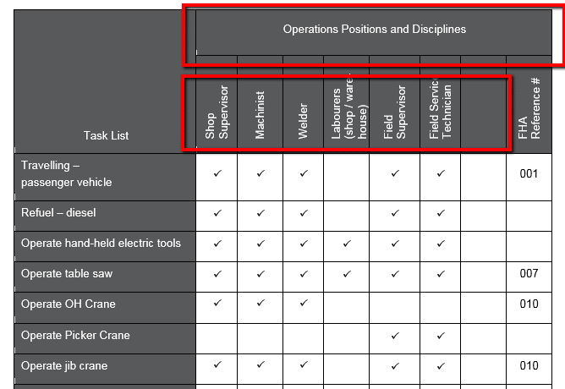

 | Calculation | divided by =

B.1.c | Do all positions/disciplines captured within the formal hazard assessments have tasks identified? | How many of those positions are included in the hazard assessment system. (From B1b) | Of those positions identifed how many have the tasks identied? | 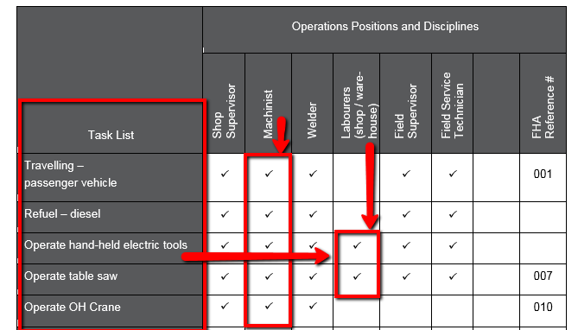
 |  | 0
 |  | divided by 0 = multiplied by B.1.b ( ) =

B.1.d | Have applicable health and safety hazards for each task been identified? | Based on the sample tasks from B.1.c complete a further detailed look. | How many of the tasks have the hazards identified. Enter number that have tasks. |  | 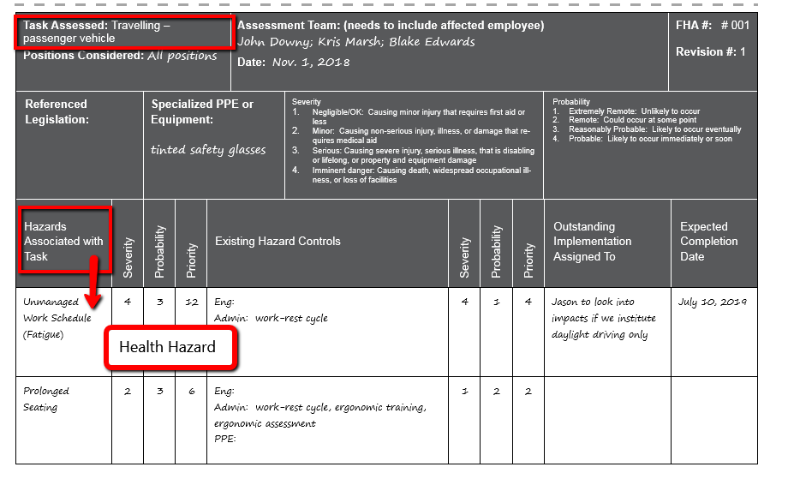
 |  | 0
 |  | divided by 0 = multiplied by B.1.c ( ) =

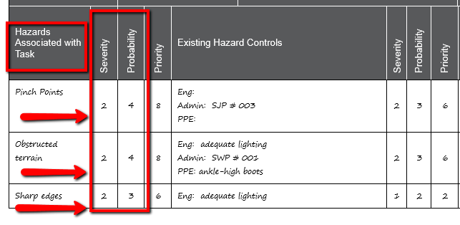
B.1.e | Have both health and safety hazards for each task been individually assessed by a combination of any 2 or more of the following: the frequency of the activity, the probability of incident and loss, and the severity of loss, to determine the relative significance of each hazard? | Use tasks identified in B.1.c for a further detailed look at the hazards. | Of those hazards how many had a completed risk assessment?
 |  | 0
 |  | divided by 0 = multiplied by B.1.c ( ) =

